13-1
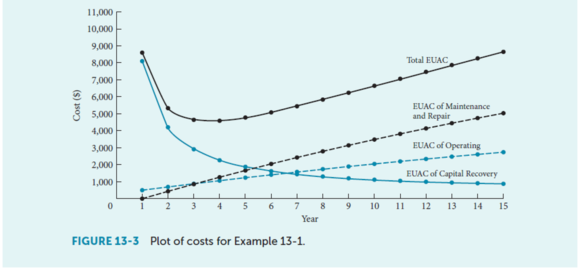
13-1
 |  |  | Year | Capital value | (A/P, i, n) | EUAC of capital recovery costs | Maint | (A/G, i, n) | EUAC of Maint Costs | Op | (A/G, i, n) | EUAC of Op Costs | Total EUAC
 | i | 8% | 0 | $7,500 |  |  |  |  |  |  |  |  | ——
 |  |  | 1 | $6,900 | 1.08 | $8,100 | $- | - | 0 | $500 | - | $500 | $8,600
 |  | $4,050 | 2 | 6,348 | 0.56 | 4,206 | $900 | 0.48 | 433 | $900 | 0.48 | 692 | 5,331
 |  | $2,700 | 3 | 5,840 | 0.39 | 2,910 | 1,800 | 0.95 | 854 | 1,300 | 0.95 | 879 | 4,644
 |  |  | 4 | 5,373 | 0.30 | 2,264 | 2,700 | 1.40 | 1,264 | 1,700 | 1.40 | 1,062 | 4,590 | Minimum value
 |  |  | 5 | 4,943 | 0.25 | 1,878 | 3,600 | 1.85 | 1,662 | 2,100 | 1.85 | 1,239 | 4,779
 |  |  | 6 | 4,548 | 0.22 | 1,622 | 4,500 | 2.28 | 2,049 | 2,500 | 2.28 | 1,411 | 5,082
 |  |  | 7 | 4,184 | 0.19 | 1,441 | 5,400 | 2.69 | 2,424 | 2,900 | 2.69 | 1,577 | 5,442
 |  |  | 8 | 3,849 | 0.17 | 1,305 | 6,300 | 3.10 | 2,789 | 3,300 | 3.10 | 1,739 | 5,833
 |  |  | 9 | 3,541 | 0.16 | 1,201 | 7,200 | 3.49 | 3,142 | 3,700 | 3.49 | 1,896 | 6,239
 |  |  | 10 | 3,258 | 0.15 | 1,118 | 8,100 | 3.87 | 3,484 | 4,100 | 3.87 | 2,049 | 6,650
 |  |  | 11 | 2,997 | 0.14 | 1,051 | 9,000 | 4.24 | 3,816 | 4,500 | 4.24 | 2,196 | 7,062
 |  |  | 12 | 2,757 | 0.13 | 995 | 9,900 | 4.60 | 4,136 | 4,900 | 4.60 | 2,338 | 7,470
 |  |  | 13 | 2,537 | 0.13 | 949 | 10,800 | 4.94 | 4,446 | 5,300 | 4.94 | 2,476 | 7,871
 |  |  | 14 | 2,334 | 0.12 | 910 | 11,700 | 5.27 | 4,746 | 5,700 | 5.27 | 2,609 | 8,265
 |  |  | 15 | 2,147 | 0.12 | 876 | 12,600 | 5.59 | 5,035 | 6,100 | 5.59 | 2,738 | 8,649

 |  |  | Calculate EUAC for each component separately, and for each year separately.

 |  |  | Each year’s analysis is SEPARATE: they don’t link from year to year the way they have in previous examples.
 |  |  | E.g., year 2 EUAC of capital recovery is only dependent on how much time has passed (2 years) and the original capital cost (7500) and the interest rate.

 |  |  | Note the (weird) assumption present in this EUAC calculation: the machine costs $7,500, but the EUAC is $8,100 in year 1.
 |  |  | That’s like saying, you can delay paying for the machine until the end of year 1, but it’ll cost you more (since interest charges apply).

13-9
13-9 | Building on example 13-3 (and 13-4 and -5), calculate the after-tax marginal costs.
 |  |  |  |  |  |  | Column D in text |  |  | Col B in text |  | Column E in text |  | Column F in text |  |  | Column C in text |  | Col G in text
 |  |  |  |  |  |  |  |  |  |  |  |  |  |  |  |  | (just for reference)
 |  | Year | Book value | Pre-tax Capital value (market value) | Loss in market value | Depreciation (straight-line) | Tax savings from depreciation | Foregone loss on disposal | Foregone tax savings | After-tax market value | After-tax loss in Market Value | Operating cost | Cost of breakdown risk | After-tax Op and risk costs | Foregone interest earned from cash from sale | Foregone interest earned from tax savings | Pre-tax value plus foregone interest | Pre-tax marginal cost in year n | Post-tax marginal cost | EUAC if kept through year n |  | (P/F, i, n) | Present Cost in each year (F to P) | Sum of Present Cost if Kept through Year n | (A/P, i, n) | EUAC if kept through year n
MARR | 10% | 0 | $25,000 | $25,000 |  |  |  |  |  | $25,000 |  |  |  |  |  |  |  |  |  |  |  | 1.00 | $- | $-
tax rate | 40% | 1 | $20,000 | $18,000 | $7,000 | $5,000 | ($2,000) | $2,000 | $800 | $18,800 | $7,000 | $2,000 | $5,000 | $4,200 | $1,800 | $0 | $26,800 | $15,800 | 11,800 | 15,800 |  | 0.91 | $10,727 | $10,727 | 1.1000 | 11,800
S | 0 | 2 | $15,000 | $13,000 | $5,000 | $5,000 | ($2,000) | $2,000 | $800 | $13,800 | $5,800 | $2,500 | $5,000 | $4,500 | $1,300 | $80 | $20,180 | $13,800 | 10,480 | 14,848 |  | 0.83 | $8,661 | $19,388 | 0.5762 | 11,171
 |  | 3 | $10,000 | $9,000 | $4,000 | $5,000 | ($2,000) | $1,000 | $400 | $9,400 | $4,800 | $3,000 | $5,000 | $4,800 | $900 | $80 | $14,780 | $12,900 | 8,980 | 14,259 |  | 0.75 | $6,747 | $26,135 | 0.4021 | 10,509
 |  | 4 | $5,000 | $6,000 | $3,000 | $5,000 | ($2,000) | ($1,000) | ($400) | $5,600 | $3,400 | $3,500 | $6,500 | $6,000 | $600 | $40 | $10,040 | $13,600 | 7,640 | 14,117 |  | 0.68 | $5,218 | $31,353 | 0.3155 | 9,891
 |  | 5 | $0 | $4,000 | $2,000 | $5,000 | ($2,000) | $(4,000) | $(1,600) | $2,400 | $1,600 | $4,000 | $8,000 | $7,200 | $400 | ($40) | $5,960 | $14,400 | 5,560 | 14,163 | Minimum EUAC | 0.62 | $3,452 | $34,806 | 0.2638 | 9,182
 |  | 6 |  | $3,000 | $1,000 |  |  | ($3,000) | ($1,200) | $1,800 | ($600) | $4,500 | $9,500 | $8,400 | $300 | ($160) | $2,540 | $15,300 | 6,740 | 14,311 |  | 0.56 | $3,805 | $38,610 | 0.2296 | 8,865
 |  | 7 |  | $2,500 | $500 |  |  | $(2,500) | $(1,000) | $1,500 | $(700) | $5,000 | $11,000 | $9,600 | $250 | ($120) | $1,930 | $16,750 | 8,030 | 14,568 |  | 0.51 | $4,121 | $42,731 | 0.2054 | 8,777

 |  |  |  |  |  |  |  |  |  |  |  |  |  |  |  |  |  | After including tax implications, |  | Before tax, |  |  |  |  |  | After including tax implications,
 |  |  |  |  |  |  |  |  |  |  |  |  |  |  |  |  |  | Year 3 is still minimum MC. |  | Year 5 is minimum EUAC. |  |  |  |  |  | minimum EUAC shifts to Year 6.
Each year, we review expected future costs (and revenues, when appropriate), and decide whether to keep or replace that asset.
Let's look at an example, focusing on our end-of-year 1 decision about what to do in year 2.
5. IF we SELL the asset after Yr 1, we could invest the after tax revenue (from sale and from the tax break from loss on disposal) instead, and it would earn $1,880. (If we KEEP, we forego these gains.)

1: IF we KEEP the asset for Yr 2, we can depreciate it more, and get a tax break of +$2,000.
2: IF we SELL the asset after Yr 1 for $18,000, we would see a $2,000 loss on disposal, which would reduce taxes by $800. (If we KEEP, we forego this gain.)
3: IF we KEEP the asset for Yr 2, the market value will fall.
4: IF we KEEP the asset for Yr 2, we we have another year of operating costs (after revision to account for impact of expenses on taxes): -$4,500

 |  |  |  |  |  |  |  |  |  |  |  |  |  |  |  |  | Errors in the textbook example:
 |  | If we keep the asset: |  |  |  |  |  |  |  |  |  |  |  |  |  |  | Post-tax Marginal cost (column AB): Corrections made to textbook totals.
 |  | 1. Get another year of depreciation-driven tax breaks.
 |  |  | 2. Forego the tax break from loss on disposal when the asset is sold. |  |  |  |  |  |  |  |  |  |  |  |  |  | Foregone interest (column V) should be based on the sale value in that year (they are using the sale value one year too early).
 |  | 3. Lose another year of asset market value, including adjustments for tax implications. |  |  |  |  |  |  |  |  |  |  |  |  |  |  | Foregone tax savings from loss on disposal (column N) should be added to the total (column AB), not subtracted.
 |  | 4. Pay another year of operating costs, accounting for tax implications. |  |  |  |  |  |  |  |  |  |  |  |  |  |  | These errors have NOT been corrected above. The numbers above match textbook example 13-9.
 |  |  | 5. Forego the interest that could be earned on the cash from sale of the asset, and
 |  |  | forego the interest that could be earned on the tax gain from loss of disposal on sale.
 |  |  |  |  |  |  |  |  |  |  |  |  |  |  |  |  | Other potential error (I'm not certain actually):
 |  | The columns with red headers are what has been added or changed by including the tax implications. |  |  |  |  |  |  |  |  |  |  |  |  |  |  | Foregone tax savings from loss on disposal (column N) should be based on the value in that year (they are using the value a year too late).
 |  |  |  |  |  |  |  |  |  |  |  |  |  |  |  |  | Loss in market value should still be considered, as it was in Example 13-5.
 |  | The MARR changed from that in example 13-5, so not all columns look exactly the same.

